BOM
Item | Part Number | Thumbnail | BOM Structure | Unit QTY | QTY | Stock Number | Description | REV
1 | SP25V1 Acrilico |  | Normal | 1 | 1
2 | SP22V1 Tubo 40x80x1825mm | 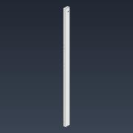 | Normal | 1 | 2
3 | SP21V1 Tubo 40x80x100mm | 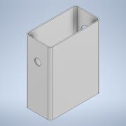 | Normal | 1 | 4
4 | bosch_3842547836_6u5hvyo05ag2294jqeen4vb8k_011 | 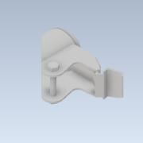 | Normal | 1 | 4
5 | bosch_3842547836_6u5hvyo05ag2294jqeen4vb8k_021 | 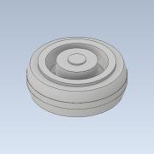 | Normal | 1 | 4
6 | SP23V1 Cobertora Derecha | 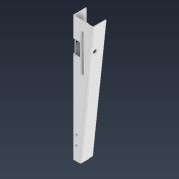 | Normal | 1 | 1
7 | SP24V1 Cobertora Izquierda | 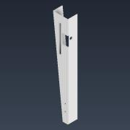 | Normal | 1 | 1
8 | SP20V1 Tubo 80x120x790mm | 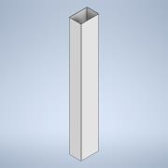 | Normal | 1 | 1
9 | SP19V1 Tapacanto Delantero | 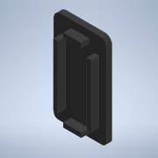 | Normal | 1 | 2
10 | SP18V1 Tapacanto Superior |  | Normal | 1 | 2
11 | RFPLUS8PO300 | 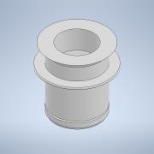 | Normal | 1 | 16
12 | SP17V1 Varilla Pedal | 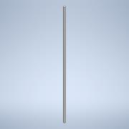 | Normal | 1 | 1
13 | SP16V1 Buje Pedal | 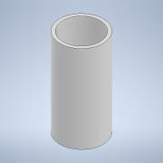 | Normal | 1 | 2
14 | SP15V1 Pedal Izquierdo | 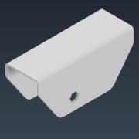 | Normal | 1 | 1
15 | SP10V1 Estructura Freno | 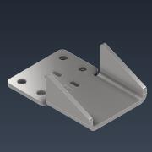 | Normal | 1 | 2
16 | SP9V1 Columna Freno | 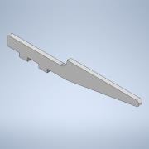 | Normal | 1 | 4
17 | SP8V1 Conductor Hexagonal Freno | 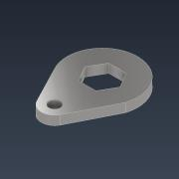 | Normal | 1 | 2
18 | SP6V1 Vastago Freno | 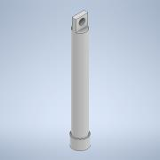 | Normal | 1 | 2
19 | SP5V1 Camisa Freno | 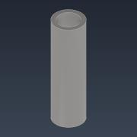 | Normal | 1 | 2
20 | DIN 912 - M5 x 16 |  | Purchased | 1 | 4 |  | Cylinder Head Cap Screw
21 | SP7V1 Viela Freno | 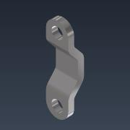 | Normal | 1 | 4
22 | DIN 555-5 - M5 | 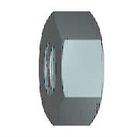 | Purchased | 1 | 4 |  | Hex Nut
23 | SP14V1 Pedal Derecho | 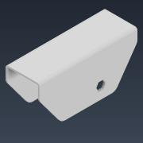 | Normal | 1 | 1
24 | SP13V1 Tubo Baranda | 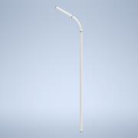 | Normal | 1 | 2
25 | SP12V1 Agarre Baranda | 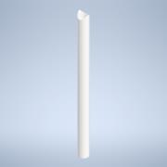 | Normal | 1 | 4
26 | SP11V1 Planchuela Baranda | 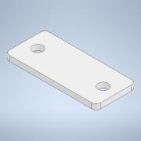 | Normal | 1 | 8
27 | DIN 933 - M8 x 20 | 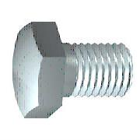 | Purchased | 1 | 16 |  | Perno de cabeza-hex
28 | DIN125-A8,4C |  | Purchased | 1 | 16 |  | DIN125-A8,4C
29 | Logo |  | Normal | 1 | 1
30 | SP16V1 Seguro Acrilico | 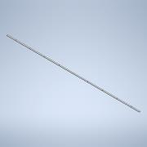 | Normal | 1 | 2
31 | 23316040030/00 | 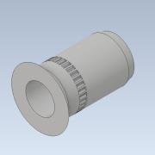 | Purchased | 1 | 18 |  | RIVKLE® Standard, countersunk head, knurled, cylindrical, open-
32 | ISO 7380-1 - M4 x 12 | 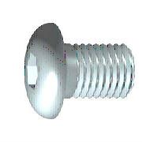 | Purchased | 1 | 18 |  | Hexagon Socket Button Head Screw - Product grade A
33 | SP26V1 Base Chapa | 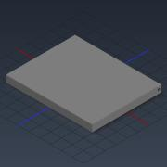 | Normal | 1 | 1

